Supplementary Table S1
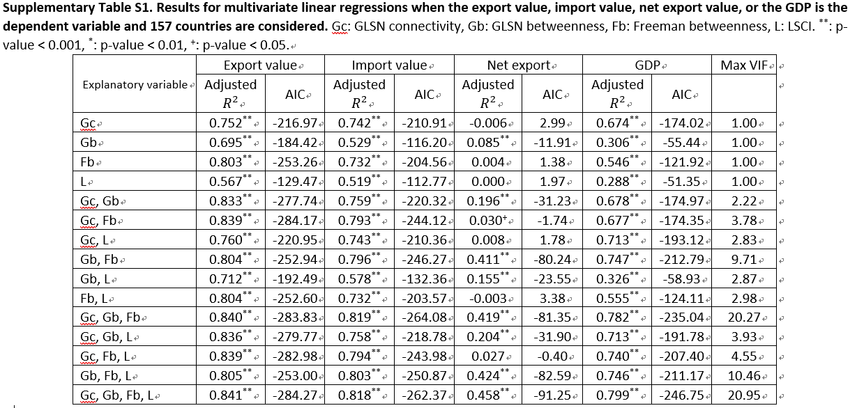
 | Export value |  |  | Import value |  |  | Net export |  |  | GDP |  |  | Max VIF | # observations
 | Adjusted R2 | p-value | AIC | Adjusted R2 | p-value | AIC | Adjusted R2 | p-value | AIC | Adjusted R2 | p-value | AIC
Explanatory variable
Gc | 0.752 | ** | -216.97 | 0.742 | ** | -210.91 | -0.006 | NaN | 2.99 | 0.674 | ** | -174.02 | 1 | 157
Gb | 0.695 | ** | -184.42 | 0.529 | ** | -116.2 | 0.085 | ** | -11.91 | 0.306 | ** | -55.44 | 1 | 157
Fb | 0.803 | ** | -253.26 | 0.732 | ** | -204.56 | 0.004 | NaN | 1.38 | 0.546 | ** | -121.92 | 1 | 157
L | 0.567 | ** | -129.47 | 0.519 | ** | -112.77 | 0 | NaN | 1.97 | 0.288 | ** | -51.35 | 1 | 157
Gc, Gb | 0.833 | ** | -277.74 | 0.759 | ** | -220.32 | 0.196 | ** | -31.23 | 0.678 | ** | -174.97 | 2.22 | 157
Gc, Fb | 0.839 | ** | -284.17 | 0.793 | ** | -244.12 | 0.03 | + | -1.74 | 0.677 | ** | -174.35 | 3.78 | 157
Gc, L | 0.76 | ** | -220.95 | 0.743 | ** | -210.36 | 0.008 | NaN | 1.78 | 0.713 | ** | -193.12 | 2.83 | 157
Gb, Fb | 0.804 | ** | -252.94 | 0.796 | ** | -246.27 | 0.411 | ** | -80.24 | 0.747 | ** | -212.79 | 9.71 | 157
Gb, L | 0.712 | ** | -192.49 | 0.578 | ** | -132.36 | 0.155 | ** | -23.55 | 0.326 | ** | -58.93 | 2.87 | 157
Fb, L | 0.804 | ** | -252.6 | 0.732 | ** | -203.57 | -0.003 | NaN | 3.38 | 0.555 | ** | -124.11 | 2.98 | 157
Gc, Gb, Fb | 0.84 | ** | -283.83 | 0.819 | ** | -264.08 | 0.419 | ** | -81.35 | 0.782 | ** | -235.04 | 20.27 | 157
Gc, Gb, L | 0.836 | ** | -279.77 | 0.758 | ** | -218.78 | 0.204 | ** | -31.9 | 0.713 | ** | -191.78 | 3.93 | 157
Gc, Fb, L | 0.839 | ** | -282.98 | 0.794 | ** | -243.98 | 0.027 | NaN | -0.4 | 0.74 | ** | -207.4 | 4.55 | 157
Gb, Fb, L | 0.805 | ** | -253 | 0.803 | ** | -250.87 | 0.424 | ** | -82.59 | 0.746 | ** | -211.17 | 10.46 | 157
Gc, Gb, Fb, L | 0.841 | ** | -284.27 | 0.818 | ** | -262.37 | 0.458 | ** | -91.25 | 0.799 | ** | -246.75 | 20.95 | 157

